Fragmento de Codigo 2
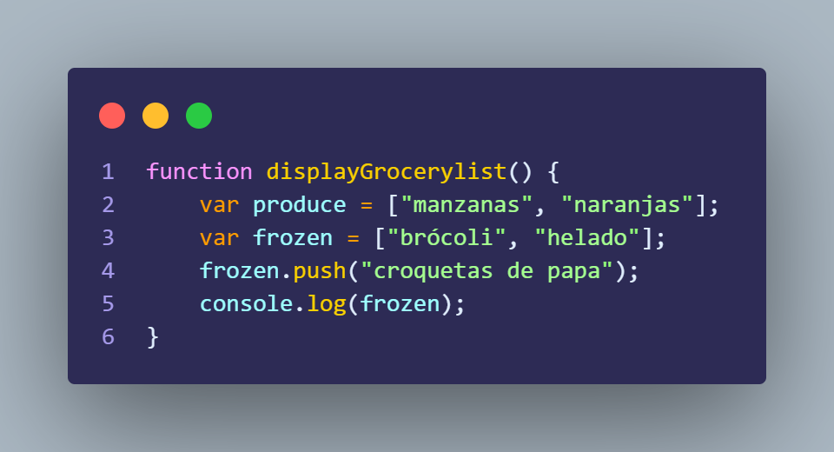
Diagrama T

Variables | Values | Consola
 |  | ["brócoli", "helado","croquetas de papa"]

Variables | Values
produce | ["manzanas", "naranjas"]
frozen | ["brócoli", "helado"] -> ["brócoli", "helado","croquetas de papa"]

Fragmento de Codigo 3
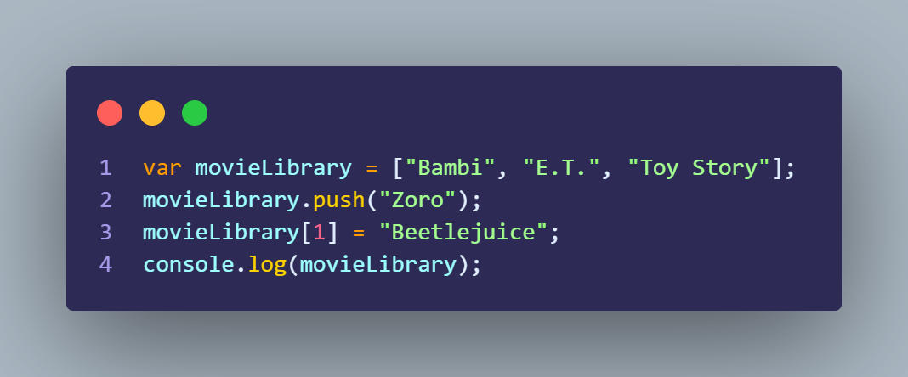
Diagrama T

Variables | Values | Consola
movieLibrary | ["Bambi", "E.T.", "Toy Story"] -> ["Bambi", "E.T.", "Toy Story" , "Zoro" ] -> ["Bambi", "Beetlejuice.", "Toy Story" , "Zoro" ] | ["Bambi", "Beetlejuice.", "Toy Story" , "Zoro" ]

